Indices

 | Iraq Stock Exchange
 | Bulletin No (54)
 | ISX Trading Indices of Monday 30/3/2026

 | Traded Volume and OTC |  | 680,071,961 |  | Traded Value and OTC |  | 1,222,047,464 |  | Traders | 991

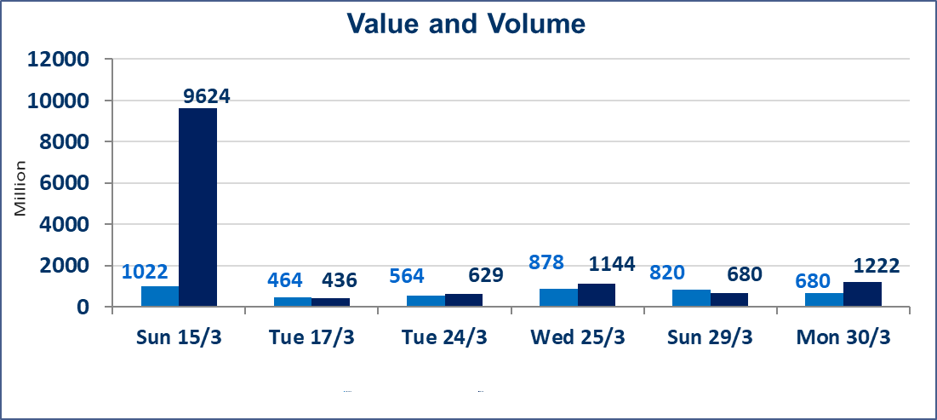
 | ISX Index 60 |  |  | 945.08 | ISX Index 15 |  |  | 1221.64
 | Previous ISX Index60 |  |  | 937.90 | Previous ISX Index15 |  |  | 1216.31
 | Change % |  |  | 0.77 | Change % |  |  | 0.44
 | Change |  |  | 7.18 | Change |  |  | 5.33

 | Listed Companies | 104 | OTC | 14 | Non Traded listed | 40 | OTC | 12
 | Traded Listed Companies | 50 | OTC | 2 | Higher Companies |  |  | 13
 | GAM Companies |  |  | 4 | Lower Companies |  |  | 10
 | Suspended Companies |  |  | 10
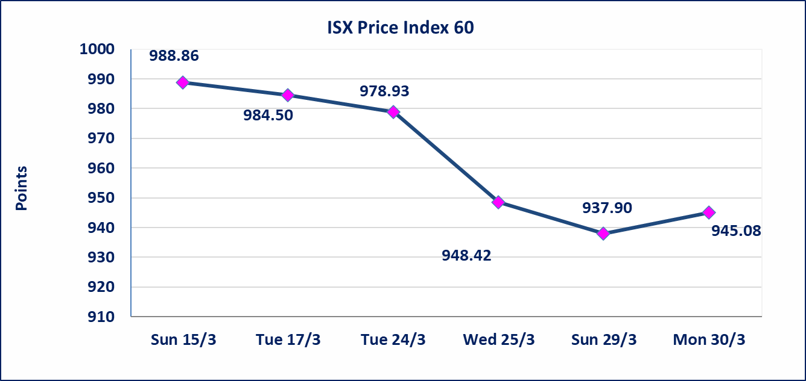
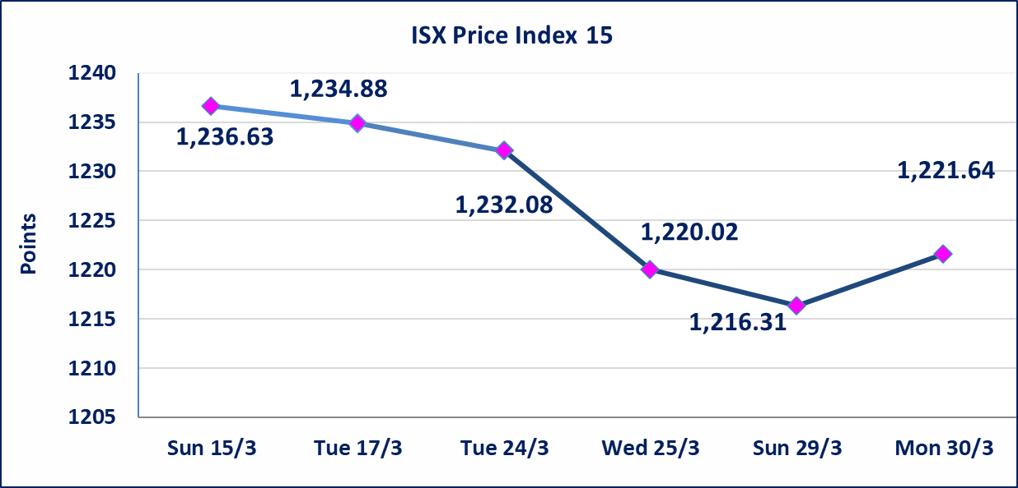

Al-Alwiya P.O . 3607 Mobile: 07711211522 - 07270094594 - 07834000034 E-mail: info-isx@isx-iq.net Web site:www.isx-iq.net

Top 5
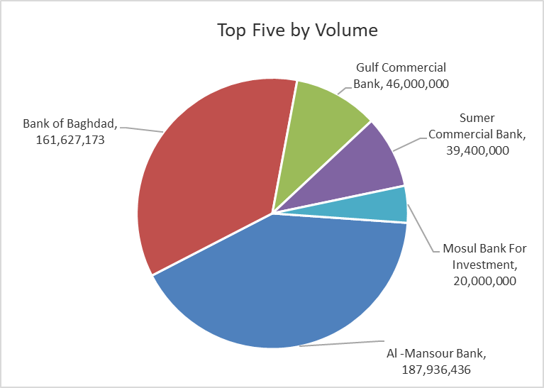
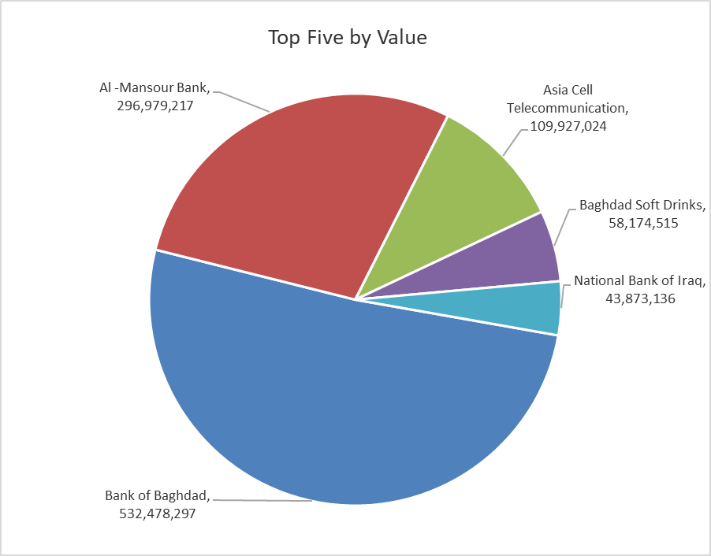

ISX top ganing and losing companies
Monday 30/3/2026
 | Gainers |  |  |  | Losers
 | Company Name | Closing Price | Change (%) | Traded Volume | Company Name | Closing Price | Change (%) | Traded Volume
 | Al-Hamraa for Insurance | 5.880 | 5.00 | 10,000 | Mosul Bank For Investment | 0.130 | -7.14 | 20,000,000
 | Al-Ameen for Insurance | 0.880 | 4.76 | 2,351,479 | Al -Khazer Construction Materials | 1.230 | -3.15 | 363,167
 | Iraqi Carton Manufactories | 2.600 | 4.42 | 1,011,165 | Iraqi Date Processing and Marketing | 2.500 | -1.96 | 504,763
 | AL-Badia for General Trans | 0.950 | 4.40 | 1,261,570 | General Transportation | 1.850 | -1.60 | 610,746
 | Bank of Baghdad | 3.300 | 3.13 | 161,627,173 | Commercial Islamic Bank of Iraq | 0.640 | -1.54 | 15,191,972
 | The most active companies in term of traded volume and value

 | Traded Volume |  |  |  | Traded Value
 | Company Name | Closing Price | Change (%) | Traded Volume | Company Name | Closing Price | Change (%) | Traded Value
 | Al -Mansour Bank | 1.600 | 1.91 | 187,936,436 | Bank of Baghdad | 3.300 | 3.13 | 532,478,297
 | Bank of Baghdad | 3.300 | 3.13 | 161,627,173 | Al -Mansour Bank | 1.600 | 1.91 | 296,979,217
 | Gulf Commercial Bank | 0.340 | 0.00 | 46,000,000 | Asia Cell Telecommunication | 15.000 | 0.54 | 109,927,024
 | Sumer Commercial Bank | 0.160 | 0.00 | 39,400,000 | Baghdad Soft Drinks | 5.800 | 0.00 | 58,174,515
 | Mosul Bank For Investment | 0.130 | -7.14 | 20,000,000 | National Bank of Iraq | 4.800 | -0.62 | 43,873,136

Non Iraqi

Iraq Stock Exchange
Non Iraqis' Bulletin Monday March 30 2026
Regular Market

Non Iraqi Trading of Regular Market (Sell)
Company Names | Code | No.of trades | Traded Shares | Trading Volume
Banks Sector
National Bank Of Iraq | BNOI | 11 | 969,454 | 4,653,379
Total Bank sector |  | 11 | 969,454 | 4,653,379
Grand Total |  | 11 | 969,454 | 4,653,379

Not Trading Bonds

Iraq Stock Exchange
Monday 30/3/2026
Not Trading Bonds Bulletin
Bond type | Publish type | Code | last trading price | immortilize date
Banaa Bonds /Million ID | Second | CB20 | 964,981 | 19/12/2025
Eamar Bonds /Million ID | First | CB30 | 1,001,095 | ــــــــــــــــ
Eamar Bonds /Million ID | Second | CB40 | ــــــــــــــــ | ــــــــــــــــ
Eamar Bonds /500 Thousand ID | Third | CB45 | ــــــــــــــــ | ــــــــــــــــ
Eamar Bonds /Million ID | Third | CB50 | ــــــــــــــــ | ــــــــــــــــ
Injaz Bonds /500 Thousand ID | First | CB55 | ــــــــــــــــ | ــــــــــــــــ
Injaz Bonds /Million ID | First | CB60 | ــــــــــــــــ | ــــــــــــــــ
Injaz Bonds /500 Thousand ID | Second | CB65 | 503,793 | ــــــــــــــــ
Injaz Bonds /Million ID | Second | CB70 | 965,050 | ــــــــــــــــ
Injaz Bonds /500 Thousand ID | Third | CB75 | ــــــــــــــــ | ــــــــــــــــ
Injaz Bonds /Million ID | Third | CB80 | 978,182 | ــــــــــــــــ
National Bonds/Million ID | First | CB90 | ــــــــــــــــ | ــــــــــــــــ
National Bonds/500 Thousand ID | Second | CB95 | ــــــــــــــــ | ــــــــــــــــ
National Bonds/Million ID | Second | CB100 | ــــــــــــــــ | ــــــــــــــــ

